Application Details
 | Questions/Applications | DataGYR | Comments | Additional Information
 | APPLICATION GENERAL DETAILS
1 | Application Name
2 | Application Description |  |  |  | WITSML is a standard in oil industry to transfer technical data , Wellsite Information Transfer Standard Markup Language
3 | Application Type - Custom / COTS
4 | For COTS applications - Application Vendor Name
5 | For COTS applications - Package or Module Name and Version
6 | Are there any customization done to COTS applications , if yes please provide the details
7 | If the application is COTS,, Is the application is certified and supported to run in cloud?
 | BUSINESS/SERVICE INFORMATION
8 | Who is the Business Owner
9 | Who is the application owner / IT SME
10 | Application Business Unit
11 | Criticality of application to the business functionality ( please provide availability SLA details and impact details in the comments section) |  |  |  | Business impact is very hight , need carefull HA design in cloud , including performance , bottom to top approach should be followed , i.e migrate test environment and then test the application in all dimension , then move the prodution , if we don’t have any developement env
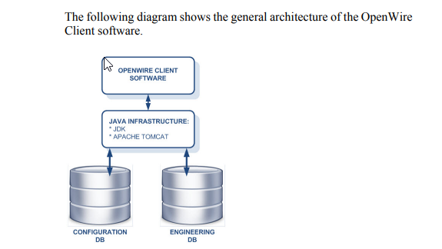
12 | What is the application roadmap? (Ex: Retire, Replace, when?), If yes please provide the details in comments section
 | APPLICATION ARCHITECTURE
13 | Application tier architecture; Single / Two Tier / Three Tier / N-Tier/Monolith/Distributed?
14 | What is the technology stack of the application with version? (Programming Language, Framework,Runtime,middleware..etc)
15 | What is the Middleware with version?
16 | Does the hosting location of this application have an impact on user experience? i.e. is there a requirement to locate in close proximity to the user base? If yes please provide details in comments section
17 | How is the Application accessed? (Eg: Web browser,Thick client, Citrix, Mobile, Multiple)
18 | What is the URL of the application?
19 | What are the present scalability requirements of the application?
20 | If the application is currently scalable , how its been cofigured ?
21 | What is the current application authentication mechanism in place?
22 | Does the application uses any load balancers ? If yes please provide the details
 | INFRASTRUCTURE INFORMATION
23 | Is the application running on a virtualized platform? If No, can it be virtualized? If not, why?
24 | In case the servers cannot be moved out AS-IS, is it possible to re-install this application and its modules in a freshly deployed server in the Cloud?
25 | Does this application have any stringent network latency requirements? Does latency impact end-user experience or functions of the application and its modules? For eg. very low latency requirement etc. |  |  |  | where the openworks db is currently located for test environment | Right now we are planning test server that are located in Norway ..?
26 | Does this application have High Availability (HA) Requirements? If Yes how is HA implemented |  |  |  | Need clear understanding on how the HA implemented at OS level, at DB level and at application level ( any VCS clsuters are in plance..?) this is very important for design team to make sure all components are availabe
27 | What is the current application Availability SLA ? Ex: App - 99.9% |  |  |  | can use Azure availability sets , multy data center depolyment
28 | Does this application require a DR? If YES, How is DR Implemented? What kind of DR - HOT/ Warm/ Cold, Replication strategy, Stretched cluster etc.…
29 | Does the application needs clustering using shared storage? Provide details on cluster solution (Ex: MSCS, VCS etc) If YES, Is there a workaround (Ex: SQL Always on without shared storage) , If yes please provide details in comments section
30 | Does the application is dependent on any shared infrastructure services? If yes please provide the details in comments section
31 | Does this application have any particular hardware requirements? For eg. Hardware Key / Hardware License Dependency / Dongle etc? | No
32 | Are there any restriction of licenses for the application to move to cloud? | No |  |  | Landmarks LAM is required ..? If yes does this support inc loud Since the OpenWire Client software connects to several different databases, the full licensing requirements depend on the type of database connection. The minimum licensing requirements for each database are shown below
 | SECURITY & COMPLIANCE
33 | What Security solutions are currently in place? Provide details of solution (Ex: Encryption of data at rest, Data in transit, Certificates, WAF, IAM solution) |  |  |  | will openworks supports reading / updating data in database when the data is encypted ( rest or transist )
34 | Does this application adhere to any regulation or compliance norm/rule? (If YES, please provide details) (Ex: PCI, HIPPA, GDPR, GxP)
35 | What is the classification of the data for the application?
 | OTHER INFORMATION
36 | Please share the current inflight project underway that can impact Cloud adoption/Migration |  |  |  | EDM means engineering database..?

